VEST PACKING LIST
PACKING LIST

PO： |  | TD10081
BRAND： |  | J.COME
Desc: |  | VEST |  |  |  |  | Total weight LBS： |  |  | 5,292.20
content：
 |  |  |  |  |  |  | MEASUREMENT: |  |  | 66*44*24
CTN NO. | STYLE NO | COLOR | 尺码 |  |  |  | PCS/CTN | TOTAL CTN | TOTAL PCS | N.W.(LBS) | G.W.(LBS)
CTN NO. | STYLE NO | COLOR | M | L | XL | XXL
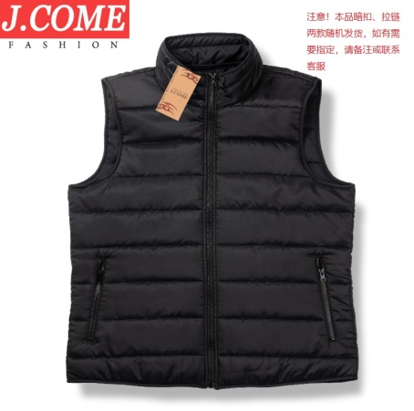
1-14 | J1002B ZIP | BLACK | 4 | 8 | 8 | 4 | 24 | 14 | 336 | 102.20 | 116.20
15-17 |  |  | 24 |  |  |  | 24 | 3 | 72 | 20.10 | 23.10
18-28 |  |  |  | 24 |  |  | 24 | 11 | 264 | 75.90 | 86.90
29-40 |  |  |  |  | 24 |  | 24 | 12 | 288 | 82.80 | 94.80
41-41 |  |  | 14 |  | 10 |  | 24 | 1 | 24 | 6.60 | 7.60
42-42 |  |  |  | 27 |  |  | 27 | 1 | 27 | 7.60 | 8.60
43-43 |  |  | 7 |  | 10 | 6 | 23 | 1 | 23 | 6.60 | 7.60
1-25 | J1002B BUTTONS | BLACK | 4 | 8 | 8 | 4 | 24 | 25 | 600 | 182.50 | 207.50
26-29 |  |  | 24 |  |  |  | 24 | 4 | 96 | 26.80 | 30.80
30-31 |  |  |  | 24 |  |  | 24 | 2 | 48 | 13.80 | 15.80
32-32 |  |  |  |  | 24 |  | 24 | 1 | 24 | 6.90 | 7.90
33-33 |  |  | 10 | 4 | 3 | 3 | 20 | 1 | 20 | 4.40 | 5.40
34-34 |  |  | 1 | 23 |  |  | 24 | 1 | 24 | 6.90 | 7.90
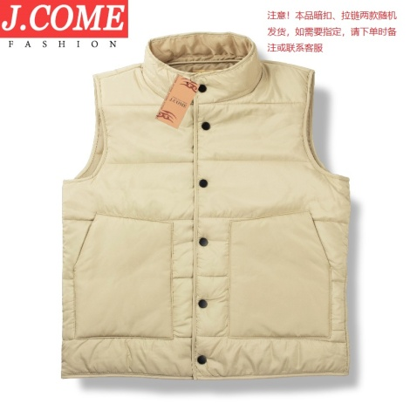
1-3 | J1002B ZIP | KHAKI | 4 | 8 | 8 | 4 | 24 | 3 | 72 | 21.90 | 24.90
4-6 |  |  |  | 24 |  |  | 24 | 3 | 72 | 20.70 | 23.70
7-10 |  |  |  |  | 24 |  | 24 | 4 | 96 | 27.60 | 31.60
11-11 |  |  |  | 2 | 22 |  | 24 | 1 | 24 | 6.90 | 7.90
12-12 |  |  |  | 1 | 2 | 21 | 24 | 1 | 24 | 6.90 | 7.90
1-37 | J1002B BUTTONS | KHAKI | 4 | 8 | 8 | 4 | 24 | 37 | 888 | 270.10 | 307.10
38-38 |  |  |  |  |  | 24 | 24 | 1 | 24 | 7.00 | 8.00
39-41 |  |  |  | 24 |  |  | 24 | 3 | 72 | 20.70 | 23.70
42-44 |  |  |  |  | 24 |  | 24 | 3 | 72 | 20.70 | 23.70
45-45 |  |  |  | 16 | 8 |  | 24 | 1 | 24 | 6.90 | 7.90
46-46 |  |  | 2 | 14 | 4 |  | 20 | 1 | 20 | 4.40 | 5.40
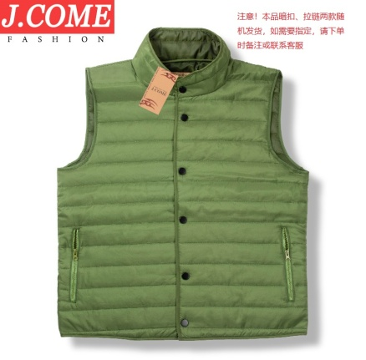
47-47 |  |  |  | 5 |  | 19 | 24 | 1 | 24 | 6.90 | 7.90
1-57 | J1002B ZIP | OLIVE | 4 | 8 | 8 | 4 | 24 | 57 | 1368 | 416.10 | 473.10
58-59 |  |  |  |  | 24 |  | 24 | 2 | 48 | 13.80 | 15.80
60-61 |  |  |  | 24 |  |  | 24 | 2 | 48 | 13.80 | 15.80
62-62 |  |  |  | 4 |  | 20 | 24 | 1 | 24 | 6.90 | 7.90
63-63 |  |  | 3 |  | 21 |  | 24 | 1 | 24 | 6.90 | 7.90
1-5 | J1002B BUTTONS | OLIVE | 4 | 8 | 8 | 4 | 24 | 5 | 120 | 36.50 | 41.50
6-9 |  |  |  | 24 |  |  | 24 | 4 | 96 | 27.60 | 31.60
10-15 |  |  |  |  | 24 |  | 24 | 6 | 144 | 41.40 | 47.40
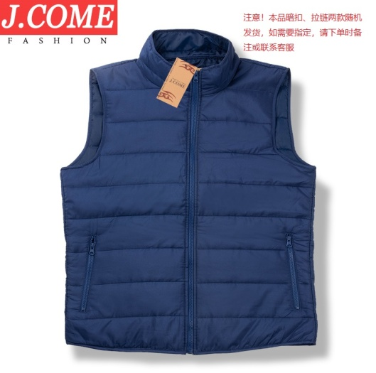
16-16 |  |  | 1 | 2 | 7 | 12 | 22 | 1 | 22 | 6.50 | 7.50
1-120 | J1002B BUTTONS | NAVY | 4 | 8 | 8 | 4 | 24 | 120 | 2880 | 876.00 | 960.00
121-124 |  |  | 24 |  |  |  | 24 | 4 | 96 | 26.80 | 30.80
125-129 |  |  |  | 24 |  |  | 24 | 5 | 120 | 34.50 | 39.50
130-136 |  |  |  |  | 24 |  | 24 | 7 | 168 | 48.30 | 55.30
137-137 |  |  | 3 | 19 | 2 |  | 24 | 1 | 24 | 6.90 | 7.90
1-86 | J1002B ZIP | NAVY | 4 | 8 | 8 | 4 | 24 | 86 | 2064 | 627.80 | 713.80
87-87 |  |  | 4 | 10 | 6 | 4 | 24 | 1 | 24 | 6.90 | 7.90
88-88 |  |  | 14 | 11 |  |  | 25 | 1 | 25 | 7.10 | 8.10
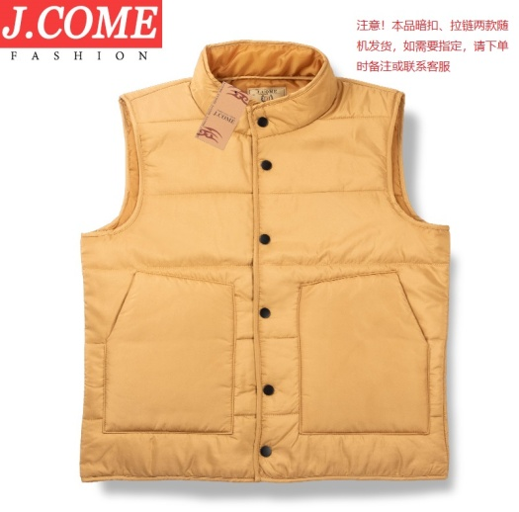
1-13 | J1002B BUTTONS | YELLOW | 4 | 8 | 8 | 4 | 24 | 13 | 312 | 94.90 | 107.90
14-17 |  |  |  |  | 24 |  | 24 | 4 | 96 | 27.60 | 31.60
18-21 |  |  |  | 24 |  |  | 24 | 4 | 96 | 27.60 | 31.60
22-22 |  |  | 13 | 8 | 3 |  | 24 | 1 | 24 | 6.90 | 7.90
23-23 |  |  | 5 | 15 | 1 | 3 | 24 | 1 | 24 | 6.90 | 7.90
24-24 |  |  | 10 | 6 | 9 | 2 | 27 | 1 | 27 | 7.60 | 8.60
1-20 | J1002B ZIP | YELLOW | 4 | 8 | 8 | 4 | 24 | 20 | 480 | 146.00 | 166.00
21-22 |  |  |  |  | 24 |  | 24 | 2 | 48 | 13.80 | 15.80
23-24 |  |  |  | 24 |  |  | 24 | 2 | 48 | 13.80 | 15.80
25-25 |  |  | 24 |  |  |  | 24 | 1 | 24 | 6.70 | 7.70
26-26 |  |  |  | 3 | 21 |  | 24 | 1 | 24 | 6.90 | 7.90
27-27 |  |  | 1 | 15 | 8 |  | 24 | 1 | 24 | 6.90 | 7.90
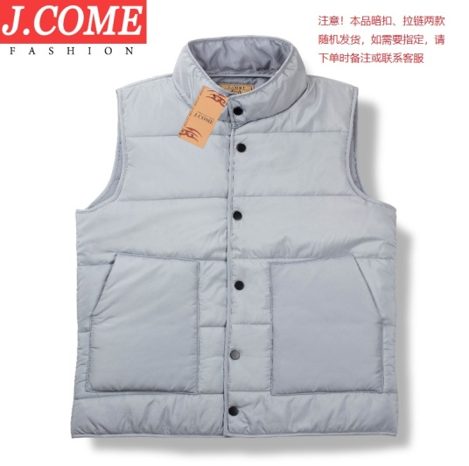
1-40 | J1002B ZIP | GRAY | 4 | 8 | 8 | 4 | 24 | 40 | 960 | 292.00 | 332.00
41-42 |  |  |  | 24 |  |  | 24 | 2 | 48 | 13.80 | 15.80
43-43 |  |  |  |  | 24 |  | 24 | 1 | 24 | 6.90 | 7.90
44-44 |  |  | 10 |  | 14 |  | 24 | 1 | 24 | 6.90 | 7.90
1-38 | J1002B BUTTONS | GRAY | 4 | 8 | 8 | 4 | 24 | 38 | 912 | 277.40 | 315.40
39-43 |  |  |  | 24 |  |  | 24 | 5 | 120 | 34.50 | 39.50
44-46 |  |  |  |  | 24 |  | 24 | 3 | 72 | 20.70 | 23.70
47-47 |  |  | 5 |  | 19 |  | 24 | 1 | 24 | 6.90 | 7.90
48-48 |  |  | 3 | 16 | 4 | 2 | 25 | 1 | 25 | 7.10 | 8.10
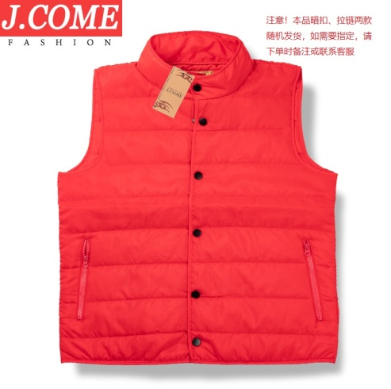
1-29 | J1002B BUTTONS | RED | 4 | 8 | 8 | 4 | 24 | 29 | 696 | 211.70 | 240.70
30-31 |  |  |  | 24 |  |  | 24 | 2 | 48 | 13.80 | 15.80
32-33 |  |  |  |  | 24 |  | 24 | 2 | 48 | 13.80 | 15.80
34-34 |  |  |  |  |  | 24 | 24 | 1 | 24 | 7.30 | 8.30
35-35 |  |  | 2 |  | 22 |  | 24 | 1 | 24 | 6.90 | 7.90
1-31 | J1002B ZIP | RED | 4 | 8 | 8 | 4 | 24 | 31 | 744 | 226.30 | 257.30
1-1 | RED W BUTTONS |  | 1 | 13 |  | 1 | 24 | 1 | 24 | 6.90 | 7.90
 | RED W ZIP |  | 1 | 2 | 3 | 3
1-1 | GRAY W ZIP |  | 10 | 1 |  | 2 | 20 | 1 | 20 | 5.40 | 6.40
 | BLUE W ZIP |  |  | 5 | 1 | 1
 |  |  |  |  |  |  |  | 651 | 15573 | 4,679.20 | 5,292.20

